Sheet1
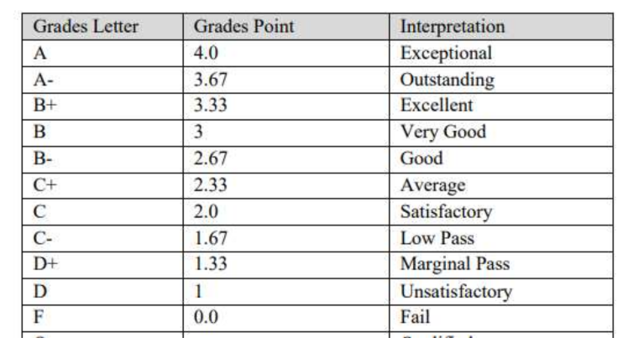
1st semester
SUBJECT | Credit hours | Grade | Points | points *CR
ICT | 1 | B | 3.33 | 3
ICT Lab | 1 | A | 3.67 | 3.67
Programming | 3 | A- | 4 | 12
prgoraming Lab | 1 | A | 4 | 4
Physics | 3 | c | 2.33 | 6.99
Physics Lab | 1 | D | 3 | 3
English | 3 | B+ | 4 | 12
Islamiyat | 2 | C | 3.33 | 6.66
Community service | 0 | A | 0 | 0

Total | 15 | 0 | 27.66 | 51.32
SGPA | 3.4213333333

 | Next sheet -----

